party
 | SUPER VALUE! Party for less than £35!! |  | SAVE £30 off the price below with our SUPER VALUE breakfast party offer | SAVE £150!! with our FABULOUS weekday discount | SAVE £150!! with our FABULOUS weekday discount | HALF PRICE Party!!!
Party Type | SUPER VALUE Pre-schooler Party | Classic Weekday Party | Classic Weekend/Holiday Party | Exclusive Use Laser party | Exclusive Use Hire | 4 O'clock Special!
Description | ... for your pre-schooler and all their friends to play in Toddler Town and/or Adventure World (which will be free from older kids during school time). Follow this with fun and food in the main atruim or upgrade to one of our excusive party rooms. | … for early years or juniors: romping fun on either Adventure World or Toddler Town, followed by delicious food in one of our funky party rooms with disco lights and your choice of music | … for early years or juniors: romping fun on either Adventure World or Toddler Town, followed by delicious food in one of our funky party rooms with disco lights and your choice of music | … the juniors: have the place to yourself for a laser battle*! Exclusive use of Adventure World with delicious party buffet in the main atrium with your choice of music | … the juniors: have the place to yourself for an extra special party! Our biggest party option (up to 120 kids) with exclusive use of Adventure World with delicious party buffet in the main atrium with your choice of music | .. for early years or juniors: romping fun on either the main playframe or Toddler Town and followed by delicious food in one of our funky party rooms.
Age range | Pre-schoolers | up to 12 years old | up to 12 years old | 5 to 14 years old | up to 14 years old | up to 12 years old
Availability (days) | Mon-Fri (term time only) | Mon-Fri (term time only) | Sat/Sun and school holidays | every day | every day | Mon-Thurs (term time only)
Availability (start times) | 9:30am-1:30pm | 9:30pm-4pm | 9:30am-4pm | 6:15pm | 6:15pm | 4pm
Number of Guests | min 6 - max 30 please contact us for a price if you want more that 30 guests | min 8 - max 30 please contact us for a price if you want more that 30 guests | min 8 - max 30 please contact us for a price if you want more that 30 guests | min 16 - max 32 | min 15 - max 100 | min 8 - max 30 please contact us for a price if you want more that 30 guests
Length of party | 2 Hours | 2 Hours | 2 Hours | 2 Hours | 2 Hours | 2 Hours
Time in playframe | 2 Hours | 1 hour 30 minutes (Toddler Town & Adventure World) | 1 hour 30 minutes (Toddler Town & Adventure World) | 1 hour 30 minutes * (Adventure World Only) | 1 hour 30 minutes (Adventure World Only) | 1 hour 30 minutes (Toddler Town & Adventure World)
Time in private party room (disco lights & your choice of music) | OPTIONAL UPGRADE FROM £30 | 30 minutes | 30 minutes | n/a | n/a | 30 minutes
Party food in atrium | P | n/a | n/a | 30 mins | 30 mins | n/a
Party bags | from £2 each | from £2 each | from £2 each | from £2 each | from £2 each | from £2 each
Party host | P | P | P | P | P | P
Unlimited squash and water | P | P | P | P | P | P
Party food | P | P | P | P | P | P |  | 50.85
Party price | Only £24.95! this price covers 4 children then £6.95 for each additional child LARGE PARTY DISCOUNT PRICE ONLY £99 this price covers 17 children then only £3.95 for each additional child | Only £129! this price covers 8 children then £15.95 for each additional child LARGE PARTY DISCOUNT PRICE ONLY £259 this price covers 17 children then only £11.95 for each child up to 32 guests then only £5.95 per child thereafter | Only £169! this price covers 8 children then £18.95 for each additional child LARGE PARTY DISCOUNT PRICE ONLY £319 this price covers 17 children then only £12.95 for each child up to 32 guests then only £6.95 per child thereafter | Only £399 (Friday & Saturday) or £249 (Sunday to Thursday) this price covers 16 children then £21.95 for each additional child | Only £399 (Friday & Saturday) or £219 (Sunday to Thursday) this price covers 16 children then £21.95 for each additional child up to 32. Massive discounts availalble for larger parties, school fundaraisers or charity events contact us today for a price! | Half price - only £85 - this price covers 8 children then £11.95 for each additional child further discounts availble for parties of more than 16 (see booking website for details) | 16.95 | 559.05
Adults and babies under 12 months | FREE | FREE | FREE | FREE | FREE | FREE |  | 679.05
For the kids:
Party Bags: £2 per child
Deluxe Party Bags: £4 per child
Punch Balloon: 95p each
Healthy Veg Platter (for 8): £6.95
Chocolate Cake (for 16): £15.95
Kids Pizza Upgrade: £1.95 per child
Party Add-ons: select any of the following great add-ons when making your party booking
For the adults:
Biscuit Platter: £5.95
Pizza Platter (serves 2): £8.95
OFFER! 3 for 2 Pizza Platter: £18.95
Sandwich Platter (serves 4): £9.95
Pot of Tea (serves 4): £5.95
Pot of Coffee (serves 4): £5.95
 |  |  |  |  *laser parties include a 10 minute set-up/breifing where the children are shown how to use the equipment | . | *base price is half the price of a weekend party equivalent |  | snakes and ladders | snakes and ladders
 |  |  |  |  |  | 2018-09-22 |  | standrad | glow/laser
update downloads sheet text | yes |  | yes | yes | yes | yes
update web text | tot |  | breakfast | tot |  | tot
update vid | tot |  | breakfast | save 150 | save 150 | tot
update PCS | yes
8-16 | 6.95 | 15.95 | 18.95 | 21.95 | 21.95 | 11.95 | 5 | 17.95
17 | 3.95 | 11.95 | 12.95 | 20.95 | 20.95 |  | 0
base price | 24.95 | 129.95 | 169.00 | 399.00 | 369.00 | 85.00 | 45.00
breafast / weekday exclusiv |  |  | 139 | 249 | 219
8 indicative (4 for toddler 16 for exclusive) | 27.8 | 127.6 | 151.6 | 351.2 | 351.2 | 95.6 | 30
16 from base | 108.35 | 257.55 | 320.6 | 399.00 | 369.00 | 180.6 | 105
17 base price | 99.00 | 260.00 | 319.00 |  |  |  | 180.00
17 | 112.3 | 269.5 | 333.55 | 356.15 | 356.15
 | 8 | 8 | 8 | 16 | 16
min | #REF! | #REF! | #REF! | #REF! | £335.20
 | 17 | 17 | 17
min (17+) | #REF! | #REF! | #REF!
 | 32 | 32 | 32 | 32 | 32
max | #REF! | #REF! | #REF! | #REF! | £670.40
SNAKES AND LADDERS |  |  | 17.95
8 KIDS |  |  | 143.6
17 KIDS |  |  | 305.15

add on examples
KIDS IN ACTION
SELECT ADD-ONS

·
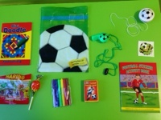
£2.75
Bag - Football Party Bag
Filled with sweets and toys for boys
Qty:
Add To Cart

·
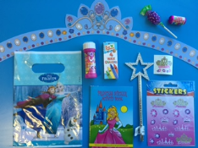
£2.75
Bag - Ice Kingdom Bag For Girls
Filled with sweets and PRINCESS toys for girls
Qty:
Add To Cart

·
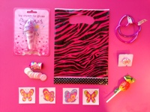
£2.75
Bag - I'm Fabulous
Filled with sweets and toys for girls
Qty:
Add To Cart
·
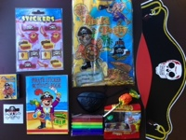
£2.75
Bag - Pirate Party Bag
Filled with sweets and toys for boys
Qty:
Add To Cart

·
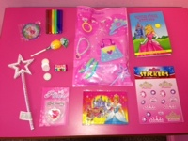
£2.75
Bag - Princess Party Bag
Filled with sweets and toys for girls
Qty:
Add To Cart

·
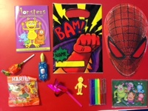
£2.75
Bag - Superheros Party Bag
Filled with sweets and toys for boys
Qty:
Add To Cart
·
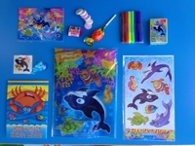

·

£2.75
Bag - Football Party Bag
Filled with sweets and toys for boys
Qty:
Add To Cart

·

£2.75
Bag - I'm Fabulous
Filled with sweets and toys for girls
Qty:
Add To Cart

·
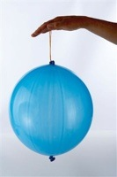
£0.95
Balloon - Punch Balloon
Punch Balloons in assorted coloured
Qty:
Add To Cart
·
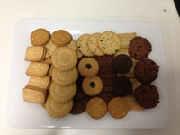
£5.75
Biscuit Platter
Qty:
Add To Cart

·
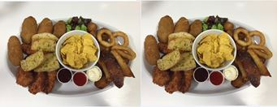
£19.95
Food - Adult Sharing Platter
Serves 5 (vegetarian option is available too)
Nachos, Garlic Mushrooms, Chicken Goujons, Mozzarella Dippers, Onion Rings, Potato Wedges and Garlic Bread served with Sour Cream, BBQ Sauce and Mayonnaise
Qty:
Add To Cart

· £8.75
Food - Coffee Pot
Serves 5
Qty:
Add To Cart
·
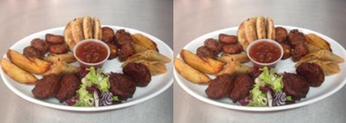
£19.95
Food - Indian Sharing Platter
Serves 5 (Samosas, Onion Bargees, Pakoras, Sweetcorn Fritters, Potato Wedges, Garlic and Coriander Naan Bread served with Mango Chutney plus a salad garnish)
Qty:
Add To Cart

· £5.50
Food - Tea Pot
Serves 5
Qty:
Add To Cart

Qty:
Add To Cart
Qty:
Add To Cart

KIDS SPACE CROYDON

·
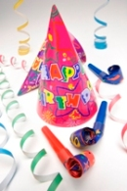
£19.95
01.Bronze Celebration Package
Party hats, blowouts, streamers and 1 x bottle of kids' champagne

Qty:
Add To Cart

·
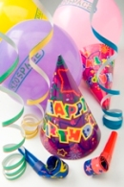
£29.95
02.Silver Celebration Package
2 x bottle of kids' champagne, 15 x latex helium balloons, party hat and blow out for each child and streamers
Qty:
Add To Cart

·
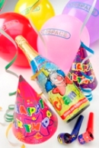
£39.95
03.Gold Celebration Package
3 x bottles of kids' champagne, 25 x latex helium balloons, 1 x foil balloon, party hat and blowout for each child and streamers
Qty:
Add To Cart
·
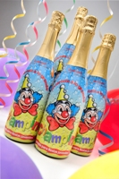
£5.00
04.Childrens Champagne
Childrens Champagne
Here we have the finest kids champage all the way from the vinyards of Spain!
This non alcholic drink puts the fizz into any party! A real corker! It will really make the children sparkle and is a fantastic little addition to your party.
Qty:
Add To Cart

·
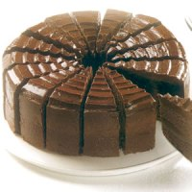
£12.00
05.Kidspace Chocolate Fudge Cake (Serves 16)
Kidspace Chocolate Fudge Cake
We can even do the cake for you! Enjoy our yummy chocolate fudge cake.
It has a chocolatey sponge a fudge butter cream filling and lashings of chocolate sauce on top.
Delicious for all! Why worry when we can do it for you? Treat everyone and have a Kidspace birthday cake. Serves 16.
Qty:
Add To Cart

· £20.00
06.23 Cupcake Tower
A birthday cake with a difference. Buy 23 and pay for only 20!
Qty:
Add To Cart
·
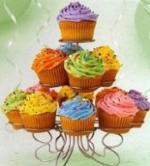
£15.00
07.15 Cupcake Tower
A birthday cake with a difference. 15 cupcakes set on top of a cupcake tower
Qty:
Add To Cart

·

£13.00
08.13 Cupcake Tower
A birthday cake with a difference. 13 Cupcakes set on a cupcake tower.
Qty:
Add To Cart

· £18.00
09.*Offer* 3 For 2 Adult Pizza Platters
Buy 2 Adult Platters and get the 3rd Platter FREE! 3 Platters consists of 3 pizzas, slices of cheesy garlic bread, olives and carrot and cucumber sticks with a selection of dips.
Qty:
Add To Cart
· £9.00
10.Adult Pizza Platter
Our adult platters are a fantastic way to satisfy the more grown up guests. With a pizza, cheesy bread, olives and a range of dips. This is the perfect way to complete the party experience for all of your guests.
Qty:
Add To Cart

·
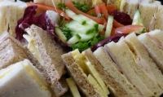
£10.00
11.Adult Sandwich Platter To Serve 4 Adults
A mixed sandwich platter, serves up to 4 adults
Qty:
Add To Cart

·
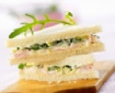
£20.00
12.Adult Sandwich Platter To Serve 8 Adults
Mixed Sandwich platters serves up to 8 adults
Qty:
Add To Cart
·

£6.00
14.Pot Of Tea
If tea is your fancy then why not have a pot of tea ready at your request and brought to your table. Serves 6 cups
Qty:
Add To Cart

·
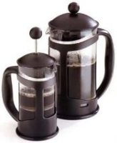
£4.00
15.Pot Of Filter Coffee
Your own caffetiere of filtered coffee, serves 4 cups
Qty:
Add To Cart

· £12.00
16.Sweet Platter
A tray of sweets including biscuits, swiss roll slices, jelly sweets etc.
Qty:
Add To Cart
· £5.00
17.Teddy Bear Outfits
You can now choose to customise your Bears with a fantastic choice of Outfits. Add these to your order so each child will be able to select an outfit for their bear!
Qty:
Add To Cart

